Sales Order
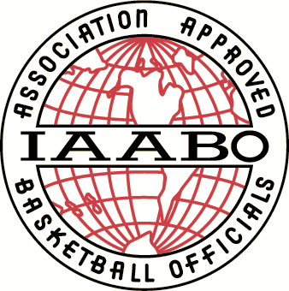
 | Sales Order

 |  |  |  | Date:

Bill To: | [Name] |  | Ship to: | [Name]
 | [Board Number] |  |  | [Board Number]
 | [Street Address] |  |  | [Street Address]
 | [City, ST ZIP Code] |  |  | [City, ST ZIP Code]
 | [Phone/Email] |  |  | [Phone/Email]

Qty | Item # | Description |  | Unit Price | Line Total
 | IP1 | IAABO Logo Pin - All Silver |  | $7.00
 | IP2 | IAABO Logo Pin - Full Color |  | 7.00
 | IC1 | General IAABO Certificate |  | 5.00
 | IP5 | IAABO 5 Year Pin |  | 7.00
 | IC5 | IAABO 5 Year Certificate |  | 5.00
 | IP10 | IAABO 10 Year Pin |  | 7.00
 | IC10 | IAABO 10 Year Certificate |  | 5.00
 | IP15 | IAABO 15 Year Pin |  | 7.00
 | IC15 | IAABO 15 Year Certificate |  | 5.00
 | IP20 | IAABO 20 Year Pin |  | 7.00
 | IC20 | IAABO 20 Year Certificate |  | 5.00
 | IP25 | IAABO 25 Year Pin |  | 7.00
 | IC25 | IAABO 25 Year Certificate |  | 5.00
 | IP30 | IAABO 30 Year Pin |  | 7.00
 | IC30 | IAABO 30 Year Certificate |  | 5.00
 | IP35 | IAABO 35 Year Pin |  | 7.00
 | IC35 | IAABO 35 Year Certificate |  | 5.00
 | IP40 | IAABO 40 Year Pin |  | 7.00
 | IC40 | IAABO 40 Year Certificate |  | 5.00
 | IP45 | IAABO 45 Year Pin |  | 7.00
 | IC45 | IAABO 45 Year Certificate |  | 5.00
 | IC2 | Custom IAABO Certificate (Please provide description in Special Order Details section below.) |  | 5.00
 | ICP | Any Service Certificate with a Plaque |  | 40.00

Special Order Details: |  |  |  | Subtotal
 |  |  |  | Shipping
 |  |  |  | Total

Make all checks payable to IAABO, Inc. Thank you for your business!

P.O. Box 355, Carlisle, PA 17013-0355 Phone: 717.713.8129 Fax: 717.718.6164 iaabo@iaabo.org

